Sheet1
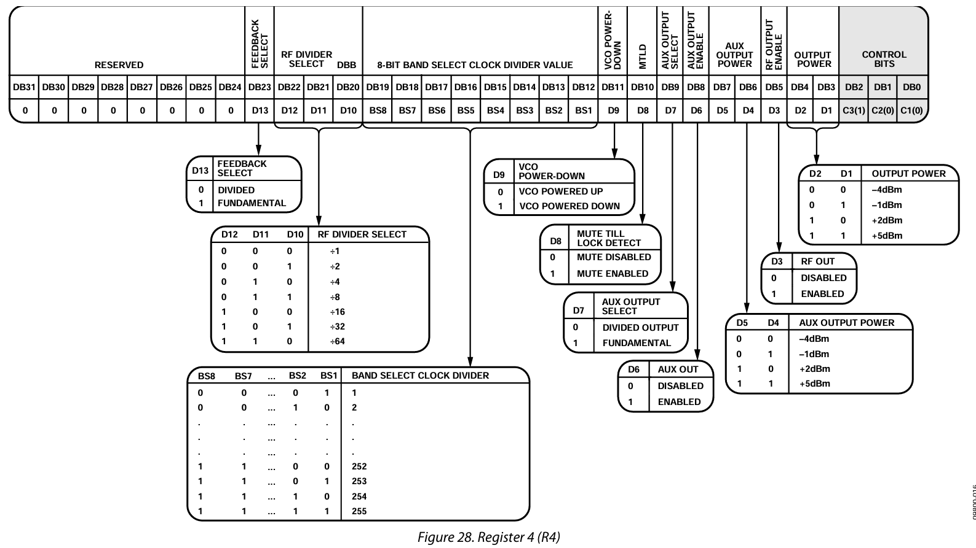
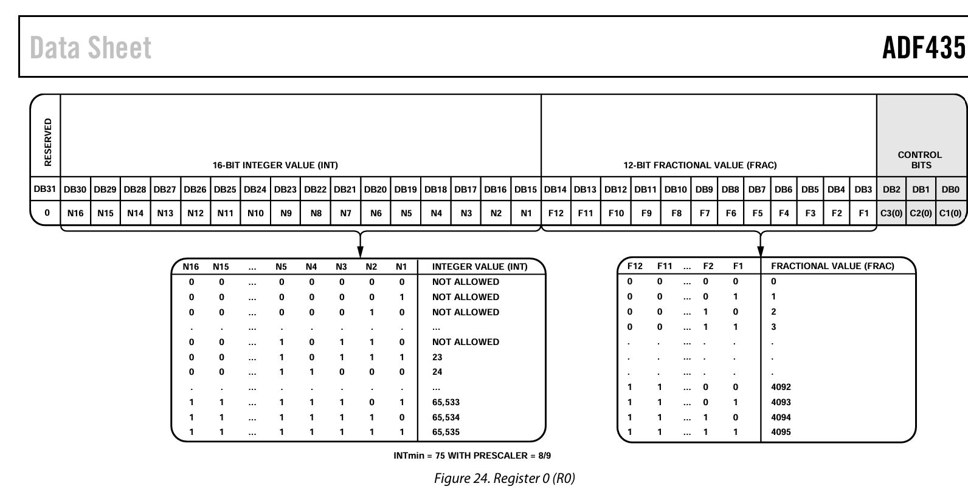
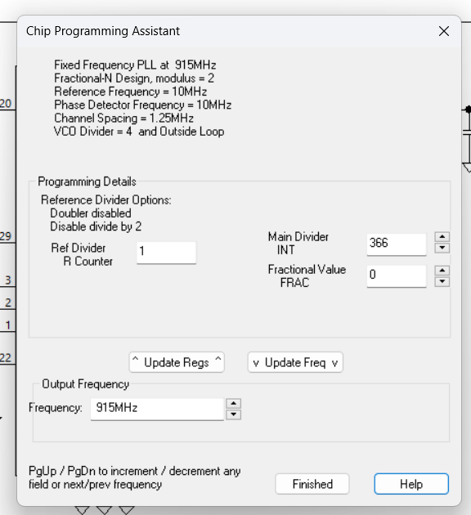
RED = TO CHANGE
GREEN = SET
BLACK = DEFAULT/RESERVED |  |  |  |  |  | MSB first

REG0
Reserved | Int[15] | Int[14] | Int[13] | Int[12] | Int[11] | Int[10] | Int[9] | Int[8] | Int[7] | Int[6] | Int[5] | Int[4] | Int[3] | Int[2] | Int[1] | Int[0] | Frac[11] | Frac[10] | Frac[9] | Frac[8] | Frac[7] | Frac[6] | Frac[5] | Frac[4] | Frac[3] | Frac[2] | Frac[1] | Frac[0] | C[2] | C[1] | C[0]
31 | 30 | 29 | 28 | 27 | 26 | 25 | 24 | 23 | 22 | 21 | 20 | 19 | 18 | 17 | 16 | 15 | 14 | 13 | 12 | 11 | 10 | 9 | 8 | 7 | 6 | 5 | 4 | 3 | 2 | 1 | 0
 | 0 | 0 | 0 | 0 | 0 | 0 | 0 | 1 | 0 | 1 | 1 | 0 | 1 | 1 | 1 | 0 | 0 | 0 | 0 | 0 | 0 | 0 | 0 | 0 | 0 | 0 | 0 | 0 | 0 | 0 | 0
Converted Binary | 0000000101101110000000000000000 |  |  |  |  |  |  |  | Int = 366
Converted Decimal | 11993088 |  |  |  |  |  |  |  | Frac = 0
REG1
Reserved | Reserved | Reserved | Phase Adjust | Prescaler | Phase[11] | Phase[10] | Phase[9 | Phase[8 | Phase[7] | Phase[6] | Phase[5] | Phase[4] | Phase[3] | Phase[2] | Phase[1] | Phase[0] | Mod[11] | Mod[10] | Mod[9] | Mod[8] | Mod[7] | Mod[6] | Mod[5] | Mod[4] | Mod[3] | Mod[2] | Mod[1] | Mod[0] | C[2] | C[1] | C[0]
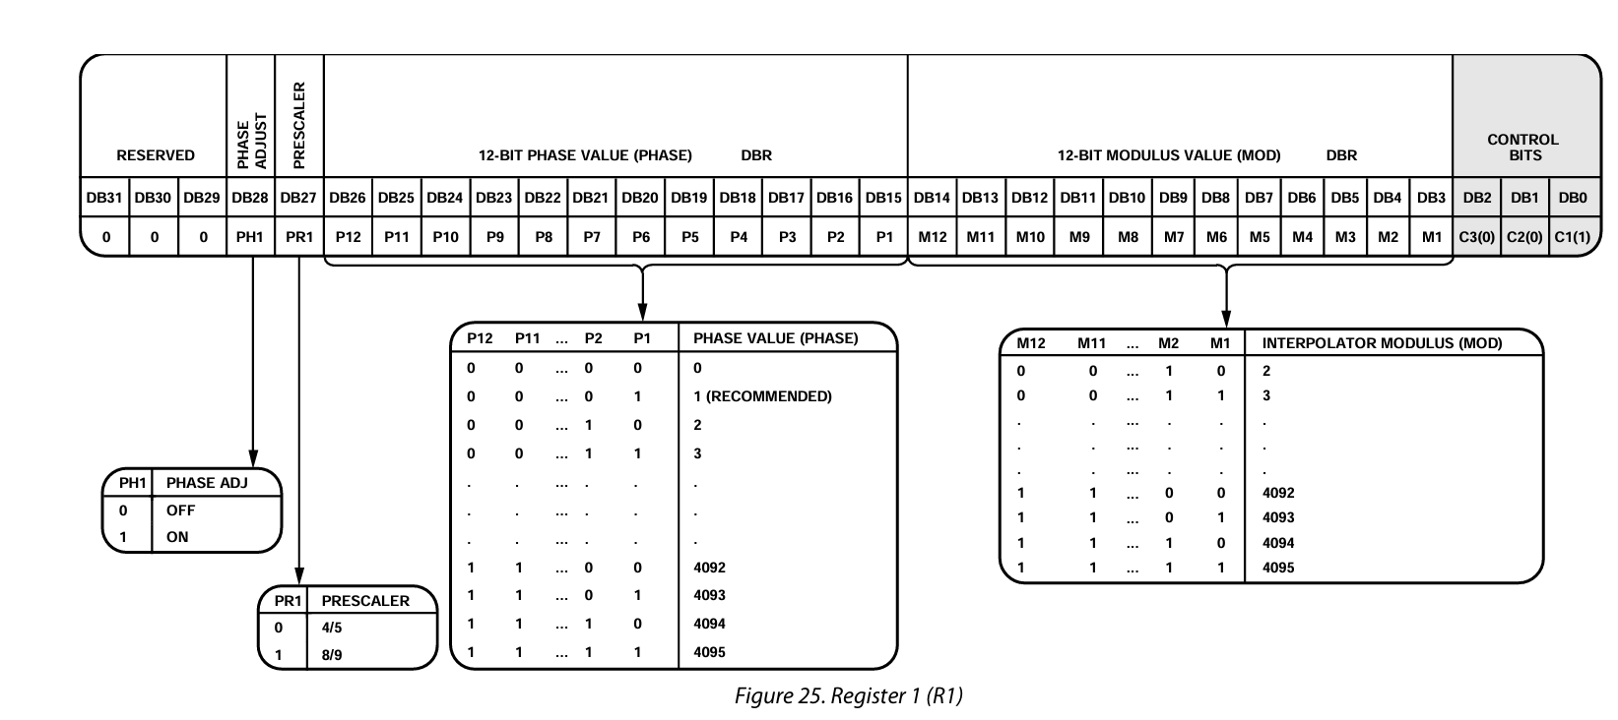
31 | 30 | 29 | 28 | 27 | 26 | 25 | 24 | 23 | 22 | 21 | 20 | 19 | 18 | 17 | 16 | 15 | 14 | 13 | 12 | 11 | 10 | 9 | 8 | 7 | 6 | 5 | 4 | 3 | 2 | 1 | 0
0 | 0 | 0 | 1 | 0 | 0 | 0 | 0 | 0 | 0 | 0 | 0 | 0 | 0 | 0 | 0 | 1 | 0 | 0 | 0 | 0 | 0 | 0 | 0 | 0 | 0 | 0 | 1 | 0 | 0 | 0 | 1
Converted Binary | 00010000000000001000000000010001
Converted Decimal | 268468241 |  |  | Can tweak phase for spurs, but for now fine
REG2
Reserved | Low Noise Spur Mode[1] | Low Noise Spur Mode[0] | MUXOUT[2] | MUXOUT[1] | MUXOUT[0] | REF DOUBLER | REF DIV 2 | R[9 | R[8] | R[7] | R[6] | R[5] | R[4] | R[3] | R[2] | R[1] | R[0] | Double Buffer R | ICP[3] | ICP[2] | ICP[1] | ICP[0] | LDF | LDP | PD Pol | Power-Down | CP Three-State | Counter Reset | C[2] | C[1] | C[0]
31 | 30 | 29 | 28 | 27 | 26 | 25 | 24 | 23 | 22 | 21 | 20 | 19 | 18 | 17 | 16 | 15 | 14 | 13 | 12 | 11 | 10 | 9 | 8 | 7 | 6 | 5 | 4 | 3 | 2 | 1 | 0
0 | 0 | 0 | 0 | 1 | 0 | 0 | 0 | 0 | 0 | 0 | 0 | 0 | 0 | 0 | 0 | 0 | 1 | 0 | 1 | 1 | 1 | 1 | 0 | 0 | 1 | 0 | 0 | 0 | 0 | 1 | 0
Converted Binary | 00001000000000000101111001000010 |  |  |  |  |  | Digital Ground
Converted Decimal | 134241858 |  |  |  | chosen low noise over spurs since narrow band -> can change later |  |  |  |  |  |  |  |  |  |  |  |  |  | Def charge pump
REG3
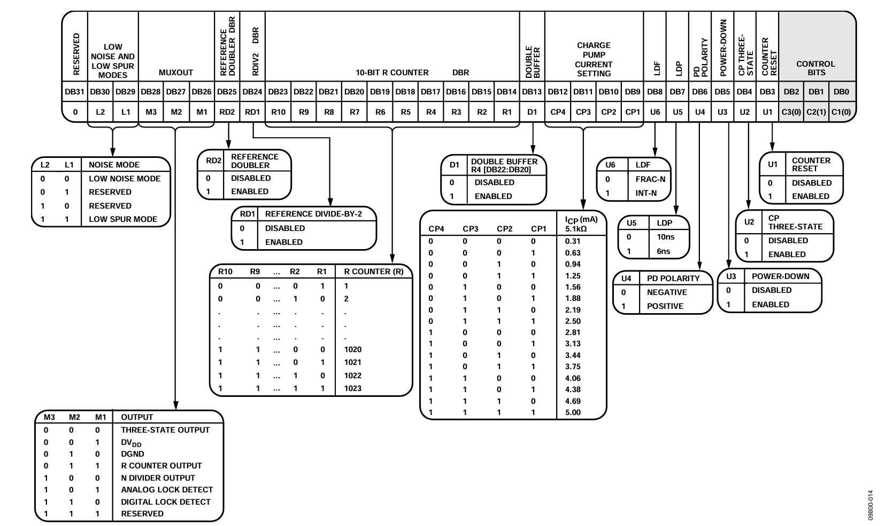
Reserved | Reserved | Reserved | Reserved | Reserved | Reserved | Reserved | Reserved | Band Select | ABP | Charge Cancel | Reserved | Reserved | CSR | Reserved | CLK DIV MODE[1] | CLK DIV MODE[0] | CLK DIV[11] | CLK DIV[10] | CLK DIV[9] | CLK DIV[8] | CLK DIV[7] | CLK DIV[6] | CLK DIV[5] | CLK DIV[4] | CLK DIV[3] | CLK DIV[2] | CLK DIV[1] | CLK DIV[0] | C[2] | C[1] | C[0]
31 | 30 | 29 | 28 | 27 | 26 | 25 | 24 | 23 | 22 | 21 | 20 | 19 | 18 | 17 | 16 | 15 | 14 | 13 | 12 | 11 | 10 | 9 | 8 | 7 | 6 | 5 | 4 | 3 | 2 | 1 | 0
0.00 | 0.00 | 0.00 | 0.00 | 0.00 | 0.00 | 0.00 | 0.00 | 1.00 | 0.00 | 0.00 | 0.00 | 0.00 | 0.00 | 0.00 | 0.00 | 0.00 | 0.00 | 0.00 | 0.00 | 0.00 | 0.00 | 0.00 | 0.00 | 0.00 | 0.00 | 0.00 | 0.00 | 0.00 | 0.00 | 1.00 | 1.00
Converted Binary | 00000000100000000000000000000011
Converted Decimal | 8388611
REG4
Reserved | Reserved | Reserved | Reserved | Reserved | Reserved | Reserved | Reserved | Feedback Sel | RF Divider[2] | RF Divider[1] | RF Divider[0] | Band Select Div[7] | Band Select Div[6] | Band Select Div[5] | Band Select Div[4] | Band Select Div[3] | Band Select Div[2] | Band Select Div[1] | Band Select Div[0] | VCO PD | MTLD | AUX OUT SEL | AUX OUT EN | AUX Output Pow[1] | AUX Output Pow[0] | RF Out En | Output Power[1] | Output Power[0] | C[2] | C[1] | C[0]
31 | 30 | 29 | 28 | 27 | 26 | 25 | 24 | 23 | 22 | 21 | 20 | 19 | 18 | 17 | 16 | 15 | 14 | 13 | 12 | 11 | 10 | 9 | 8 | 7 | 6 | 5 | 4 | 3 | 2 | 1 | 0
0.00 | 0.00 | 0.00 | 0.00 | 0.00 | 0.00 | 0.00 | 0.00 | 1.00 | 0.00 | 0.00 | 0.00 | 0.00 | 0.00 | 0.00 | 0.00 | 0.00 | 0.00 | 0.00 | 1.00 | 0.00 | 0.00 | 1.00 | 0.00 | 0.00 | 0.00 | 1.00 | 0.00 | 0.00 | 1.00 | 0.00 | 0.00
Converted Binary | 00000000100000000001001000100100
Converted Decimal | 8393252 |  |  |  |  |  |  |  | RF Divider?
REG5
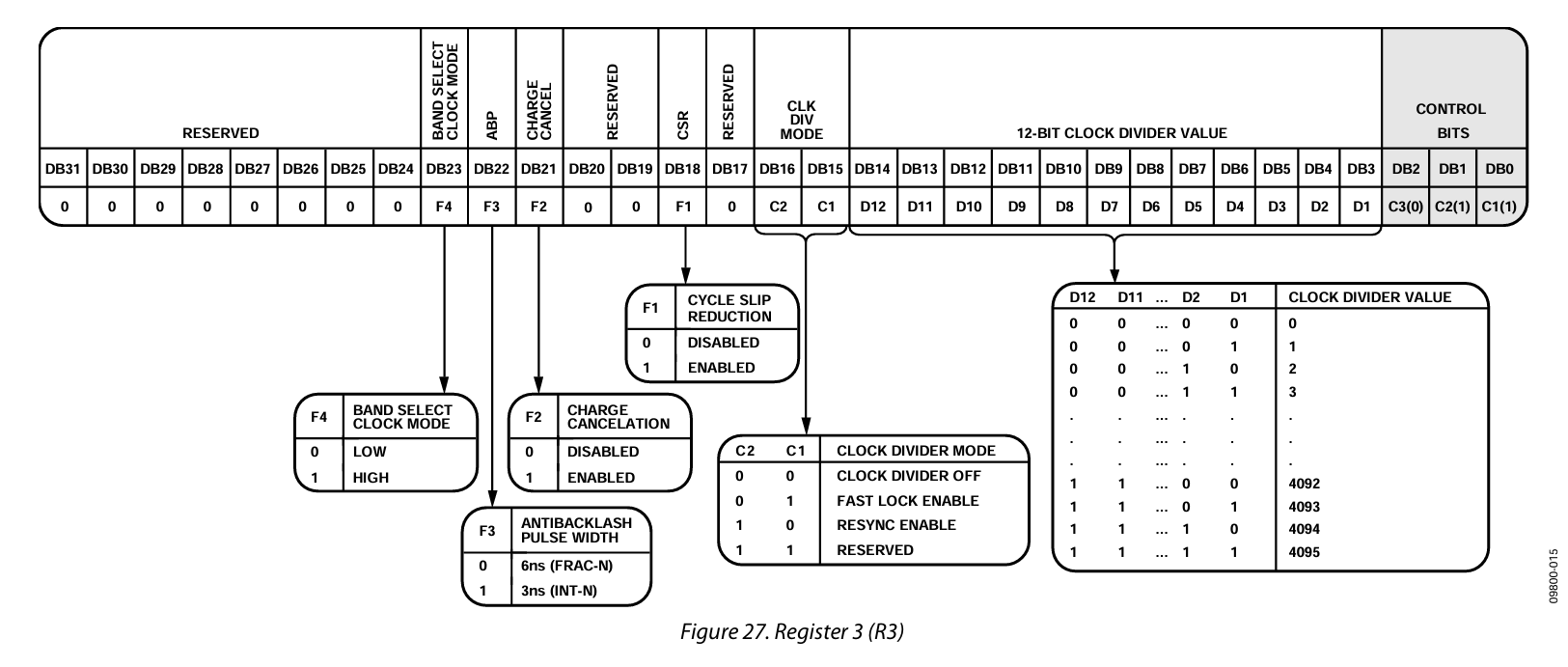
Reserved | Reserved | Reserved | Reserved | Reserved | Reserved | Reserved | Reserved | LD Pin Mode[1] | LD Pin Mode[0] | Reserved | Reserved | Reserved | Reserved | Reserved | Reserved | Reserved | Reserved | Reserved | Reserved | Reserved | Reserved | Reserved | Reserved | Reserved | Reserved | Reserved | Reserved | Reserved | C[2] | C[1] | C[0]
31 | 30 | 29 | 28 | 27 | 26 | 25 | 24 | 23 | 22 | 21 | 20 | 19 | 18 | 17 | 16 | 15 | 14 | 13 | 12 | 11 | 10 | 9 | 8 | 7 | 6 | 5 | 4 | 3 | 2 | 1 | 0
0.00 | 0.00 | 0.00 | 0.00 | 0.00 | 0.00 | 0.00 | 0.00 | 0.00 | 1.00 | 0.00 | 0.00 | 0.00 | 0.00 | 0.00 | 0.00 | 0.00 | 0.00 | 0.00 | 0.00 | 0.00 | 0.00 | 0.00 | 0.00 | 0.00 | 0.00 | 0.00 | 0.00 | 0.00 | 1.00 | 0.00 | 1.00
Converted Binary | 00000000010000000000000000000101
Converted Decimal | 4194309

